IPI DRB Minutes
 |  | IBIDEN PHILIPPINES, INC. |  |  |  |  |  |  |  |  |  |  |  |  |  |  |  |  |  | DRB/MRB No. : |  | D-CORE-19-10-003
 |  | DRB/MRB REPORT MINUTES |  |  |  |  |  |  |  |  |  |  |  |  |  |  |  |  |  | RFC No. : |  | 08-1019-0028

Theme: |  |  | Void Dent
Meeting Date : |  |  | 14-Oct-19 |  |  |  |  |  |  |  |  |  |  |  | Originated by : |  |  |  | M. Valenciano
Meeting Time: |  |  | 1330h |  |  |  |  |  |  |  |  |  |  |  |  |  |  |  |  | Name /Block
Meeting Place: |  |  | Core Meeting Area |  |  |  |  |  |  |  |  |  |  |  | Approved by :
Chairman: |  |  | M. Valenciano |  |  |  |  |  |  |  |  |  |  |  |  |  |  |  | Originator ASM/SM/DGM/GM
Block: |  |  | CORE
Attendees : |  |  | Manufacturing |  |  | Engineering/NPD |  |  | Facilities/EE |  |  |  |  | QA/QC |  |  |  |  | PPIC/CSE |  |  |  | Other
 |  |  | T. Mizuno |  |  | T. Ogawa |  |  |  |  |  |  |  | K. Vergara
 |  |  |  |  |  | G. Malaguit

Theme: |  |  | Void Dent
Meeting Date : |  |  | 14-Oct-19 |  |  |  |  |  |  |  |  |  |  |  | Originated by : |  |  |  | M. Valenciano
Meeting Time: |  |  | 1400h |  |  |  |  |  |  |  |  |  |  |  |  |  |  |  |  | Name /Block
Meeting Place: |  |  | Core Meeting Area |  |  |  |  |  |  |  |  |  |  |  | Approved by :
Chairman: |  |  | M. Valenciano |  |  |  |  |  |  |  |  |  |  |  |  |  |  |  | Originator ASM/SM/DGM/GM
Block: |  |  | CORE
Attendees : |  |  | Manufacturing |  |  | Engineering/NPD |  |  | Facilities/EE |  |  |  |  | QA/QC |  |  |  |  | PPIC/CSE |  |  |  | Other
 |  |  | M. Valenciano |  |  | T. Ogawa |  |  |  |  |  |  |  | K. Vergara
 |  |  | F. Horai
 |  |  | T. Mizuno

<1>PROBLEM STATEMENT : (Put another sheet if multiple lots was discovered affected)
DEFECT ISSUE: |  |  | Void Dent |  | # | PRODUCT/MODEL AFFECTED |  |  | PRODUCT FAMILY |  |  | LEDGER NO. |  | PRODUCT SIZE |  | LOT NUMBER |  |  | AFFECTEDLAYER |  | AFFECTED PANEL |  | AFFECTED UNIT OR IF PERCENTAGE
DATE/TIME OCCURRED: |  |  | Oct-07-19 |  | 1 | IPI Coffeelake LGA 8+2 |  |  |  |  |  | 01438-00 |  |  |  | P7896780 |  |  |  |  | 13-6,8-12,15-19,21-32
PROCESS DETECTED: |  |  | PLG |  | 2 | IPI Coffeelake LGA 8+2 |  |  |  |  |  | 01438-00 |  |  |  | P7894010 |  |  |  |  | 3-6,10,15,16,31,32
PROCESS AFFECTED: |  |  | PLG |  | 3 | IPI Coffeelake LGA 8+2 |  |  |  |  |  | 01438-00 |  |  |  | P7896800 |  |  |  |  | 1-16,18-32
# OF AFFECTED LOTS : |  |  | 4 |  | 4 | IPI Coffeelake LGA 8+2 |  |  |  |  |  | 01438-00 |  |  |  | P7897190 |  |  |  |  | 1-10,12-21,24,25,27-32
WHO DETECTED: |  |  |  |  | 5
 |  |  |  |  | 6
 |  |  |  |  | 7
 |  |  |  |  | 8
 |  |  |  |  | 9
 |  |  |  |  | 10
 |  |  |  |  | 11
 |  |  |  |  | 12
 |  |  |  |  | 13
 |  |  |  |  | 14
 |  |  |  |  | 15
 |  |  |  |  | 16
 |  |  |  |  | 17
 |  |  |  |  | 18
 |  |  |  |  | 19
 |  |  |  |  | 20
 |  |  |  |  | 21
 |  |  |  |  | 22
 |  |  |  |  | 23
 |  |  |  |  | 24
 |  |  |  |  | 25
 |  |  |  |  | 26
 |  |  |  |  | 27
 |  |  |  |  | 28
 |  |  |  |  | 29
 |  |  |  |  | 30
WHAT IS THE PROBLEM DIFFERENCE FROM NORMAL TO ABNORMAL SITUATION? CHANGING POINT? DISCUSS THE FLOW. (Indicate 5W and 1H)

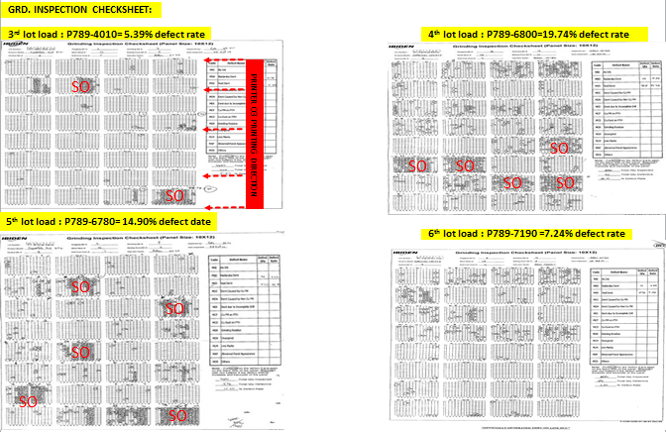

THE AGENDA ITEM IS RECURRENCE? |  |  |  | RECURRENCE |  |  | NEW |  |  |  | Recurrence Definition |  |  |  | 1. Rootcause is clear happened in same MC and parts 2. Rootcause is not clear but same issue 3. The Action was not proliferated to other process and machine but it was discussed during the meeting
THE AGENDA ITEM IS ESCAPEE? |  |  |  | YES |  |  | NO
PROBLEM CATEGORY |  |  | MAN |  | MACHINE |  |  | METHOD |  |  | MATERIAL |  |  | MEASUREMENT |  |  |  | ENVIRONMENT |  |  |  | OTHERS
DRB CLOSING RANK |  |  | RANK 1 |  | RANK 2 |  |  | RANK 3 |  |  | RANK 4 |  |  | RANK 5 |  |  |  | OTHERS

<2> INVESTIGATION/IDENTIFICATION OF AFFECTED AREA, SITUATION (Define the phenomenon, mode and tendency occurrence,Etc.)
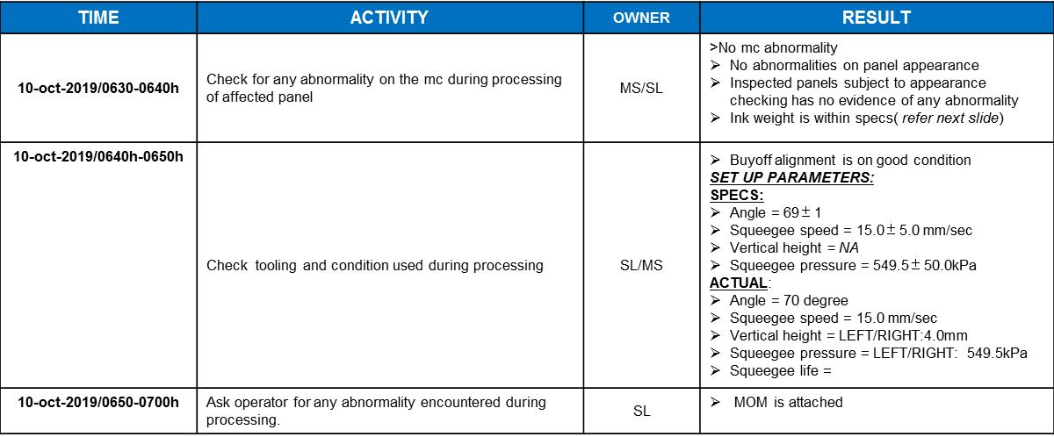
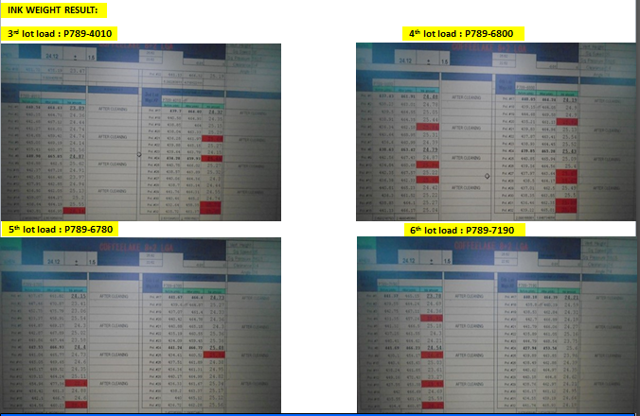

Conclusion: Defect tendency not correlated with the ink weight
*Need to open interlock after printing to prevent panel drop
<3> CONTAINMENT ACTION (Note: Do not disable the interlock system when doing the action) |  |  |  |  |  |  |  |  |  |  |  |  |  |  |  | Responsible |  |  | Completion Date |  |  | Status
 |  |  |  |  |  |  |  |  |  |  |  |  |  |  |  | Name / Block
1. Temporary open door to lessen panel stick on metalmask after printing. |  |  |  |  |  |  |  |  |  |  |  |  |  |  |  | Mark / Mfg |  |  | ww 41.5

<4> DISPOSITION OF AFFECTED LOT AND RISK ASSESSMENT

Assessment Item (# of sample/Method) |  |  |  | Responsible Name / Block |  |  | Completion Date |  |  | Assessment Result (No Good/TTL QTY) |  |  |  |  |  | Judgment (OK/NG) |  |  | Final Disposition
100% Inspection and proceed for final dispo at AOI |  |  |  | Mark / Mfg |  |  | ww 42.3
 |  |  |  |  |  |  |  |  |  |  |  |  |  |  |  |  |  |  |  | Proceed |  | Qty : ______________________________
 |  |  |  |  |  |  |  |  |  |  |  |  |  |  |  |  |  |  |  | Piece Out |  | Qty : _______ Pnl #: ________________
 |  |  |  |  |  |  |  |  |  |  |  |  |  |  |  |  |  |  |  | Sheet Out |  | Qty : ______________________________
 |  |  |  |  |  |  |  |  |  |  |  |  |  |  |  |  |  |  |  | Lot Out |  | Qty : ______________________________
 |  |  |  |  |  |  |  |  |  |  |  |  |  |  |  |  |  |  |  | SDR
Risk Assessment Category |  |  |  |  |  |  |  |  |  |  | Remarks
 |  | Low |  | Medium |  |  |  | High |  |  | ________________________

<5>ACTION REQUIRED (Note: Do not disable the interlock system when doing the action)

Action Request |  |  |  |  |  |  |  |  |  | Responsible Name / Block |  |  |  |  |  | Completion Date |  |  | Detail Results
1. Check for panel stick after printing. |  |  |  |  |  |  |  |  |  | Jay jay / Fac Getay / PE |  |  |  |  |  | ww 42.4 |  |  | Re-commit. Unable to support due to Lamination trouble
2. Check for actual processing condition thru CCTV |  |  |  |  |  |  |  |  |  | Mfg Mark |  |  |  |  |  | ww 42.4 |  |  | On going. Frequent opening of door during processing.
3. Include or record per panel abnormality (if encountered). |  |  |  |  |  |  |  |  |  | Mfg Mark |  |  |  |  |  | ww 42.4 |  |  | Done
4. Correlate for the affected panels on panel that stick on metalmask |  |  |  |  |  |  |  |  |  | Mfg Mark |  |  |  |  |  | ww 42.4 |  |  | Re-commit checking
5. Check for other team's processing> Door open or not |  |  |  |  |  |  |  |  |  | Mfg Mark |  |  |  |  |  | ww 42.4 |  |  | Door Open During CFL BGA Halo
6. Interview operator for the processing concern. |  |  |  |  |  |  |  |  |  | Mfg Mark |  |  |  |  |  | ww 42.4 |  |  | Re-commit
7. Verify for the vacuum pressure. |  |  |  |  |  |  |  |  |  | Jay jay / Fac Getay / PE |  |  |  |  |  | ww 42.4 |  |  | Spec: >-15; Actual: -22 kpa
8. Check for Vacuum pressure at Printer # 4 |  |  |  |  |  |  |  |  |  | Mfg Mark |  |  |  |  |  | ww 42.5
9. Check for program if can install delay after printing. |  |  |  |  |  |  |  |  |  | Fac Jay jay |  |  |  |  |  | ww 43.1
10. Check for other team's for door open or not for CFL 8+2 LGA |  |  |  |  |  |  |  |  |  | Mfg Mark |  |  |  |  |  | ww 43.3
11. Confirm for the lot loading of P7905000 (Defect: 1.51%); P7904310 (Defect:0.80%) |  |  |  |  |  |  |  |  |  | Mfg Mark |  |  |  |  |  | ww 42.5

<6> ROOTCAUSE GENERATION/ANALYSIS <WHY ANALYSIS by 5M1E, DESIGN AND CAPABILITY>

 | 1. FACTOR GAP ANALYSIS
 | Problem/Issue |  | Gap Type |  | 1st why |  |  |  | 2nd why |  |  |  |  |  | 3rd why |  |  |  |  |  | 4th why |  |  | 5th why
 | Void Dent |  | Technical |  | for further investigation

 |  |  | Systemic
 |  |  | Detection
 | 2. FINAL ROOT CAUSE and MECHANISM OF AFFECTED ISSUE

<7> CORRECTIVE ACTION |  |  |  |  |  |  |  |  |  |  |  |  | Responsible |  |  |  | Completion Date |  |  | Status |  |  | Need CN & DR?
 |  |  |  |  |  |  |  |  |  |  |  |  | Name / Block |  |  |  |  |  |  |  |  |  | Yes | No

<8> PREVENTIVE ACTION |  |  |  |  |  |  |  |  |  |  |  |  | Responsible |  |  |  | Completion Date |  |  | Status |  |  | Need CN & DR?
 |  |  |  |  |  |  |  |  |  |  |  |  | Name / Block |  |  |  |  |  |  |  |  |  | Yes | No

<9> PROLIFERATION |  |  |  |  |  |  |  |  |  |  |  |  |  |  |  | Responsible |  |  | Completion |  |  | Status
 |  |  |  |  |  |  |  |  |  |  |  |  |  |  |  | Name / Sign |  |  | Date
Product |  | Block | Process/line |  | Machine |  | Proliferate Item
 |  |  |  |  |  |  | 1
 |  |  |  |  |  |  | 2
<10>AMOUNT OF LOSS . The total sum_________________
Product |  |  |  |  | Unit Qty |  |  |  |  |  |  |  | Amount of Loss |  |  |  |  |  |  | Remarks

<11> CLOSING APPROVAL (The approver person in charge should put details of the validation and closing confirmation result)
The Validation activity |  |  |  |  |  |  |  |  |  |  |  |  |  |  |  |  | Closing Approver |  |  |  |  | Closing Date
 |  |  |  |  |  |  |  |  |  |  |  |  |  |  |  |  | ASM Gloria Reyes

 |  |  |  |  |  |  |  |  |  |  |  |  |  |  |  |  |  |  |  |  |  |  |  |  | QA-SCAR-MRB-02-00-01 Rev. 11

